Sheet1
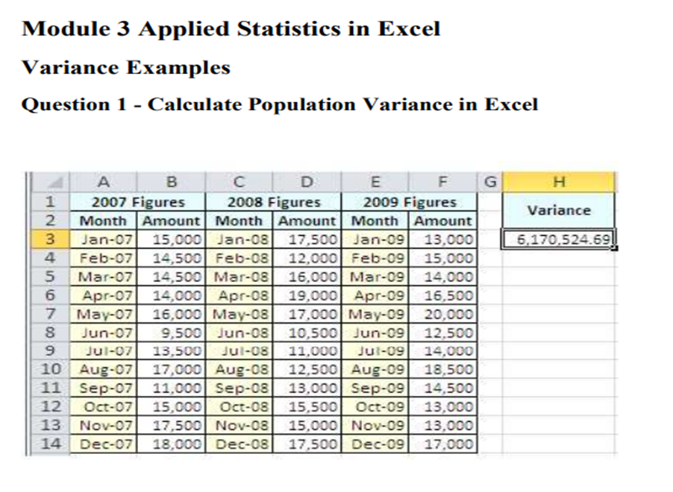

2007 Month | Column1 | 2008 Month | Column2 | 2009 Month | Column3
Month | Amount | Month | Amount | Month | Amount | variance
2025-01-07 | 15000 | 2025-01-08 | 17500 | 2025-01-09 | 13000 | 6085455.247
2025-02-07 | 14500 | 2025-02-08 | 12500 | 2025-02-09 | 15000
2025-03-07 | 14500 | 2025-03-08 | 16000 | 2025-03-09 | 14000
2025-04-07 | 14500 | 2025-04-08 | 19000 | 2025-04-09 | 16500
2025-05-07 | 16000 | 2025-05-08 | 17000 | 2025-05-09 | 20000
2025-06-07 | 9500 | 2025-06-08 | 10500 | 2025-06-09 | 12500
2025-07-07 | 13500 | 2025-07-08 | 11000 | 2025-07-09 | 14000
2025-08-07 | 17000 | 2025-08-08 | 12500 | 2025-08-09 | 18500
2025-09-07 | 11000 | 2025-09-08 | 13000 | 2025-09-09 | 14500
2025-10-07 | 14500 | 2025-10-08 | 15000 | 2025-10-09 | 13000
2025-11-07 | 17500 | 2025-11-08 | 15500 | 2025-11-09 | 13000
2025-12-07 | 18000 | 2025-12-08 | 17500 | 2025-12-09 | 17000

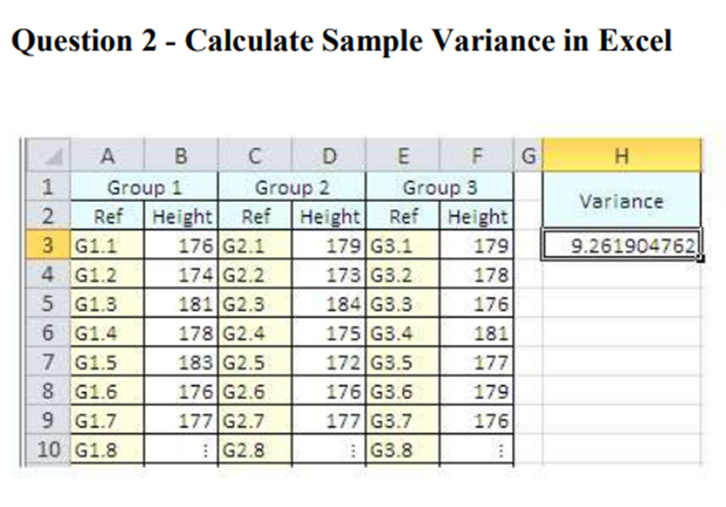
Group 1 | Column1 | Group 2 | Column2 | Group 3 | Column3
Ref | Height | Ref | Height | Ref | Height | variance
G1.1 | 176 | G2.1 | 179 | G3.1 | 179 | 9.247619048
G1.2 | 174 | G2.2 | 173 | G3.2 | 178
G1.3 | 181 | G2.3 | 184 | G3.3 | 176
G1.4 | 178 | G2.4 | 175 | G3.4 | 181
G1.5 | 183 | G2.5 | 172 | G3.5 | 177
G1.6 | 176 | G2.6 | 179 | G3.6 | 179
G1.7 | 177 | G2.7 | 177 | G3.7 | 176
G1.8 |  | G2.8 |  | G3.8

